SYMBOL POP (2)
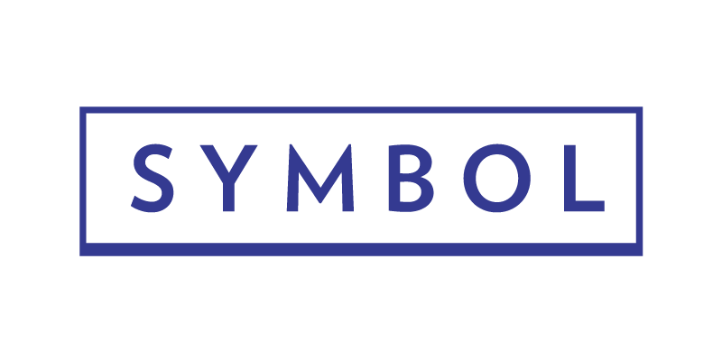 |  |  |  |  | Email Orders to: POPORDERS@SYMBOLMATTRESS.COM

 | Be aware if you do not fill out the email box you will NOT receive Tracking info for your packages |  | **EMAIL ADDRESS FOR UPS TRACKING INFO**
Bill To: | Symbol Mattress |  | Ship To:
PO#: |  |  | Store Name:
 |  |  | Attention:
 |  |  | Address:
Rep Name: |  |  |  | ENTER CITY HERE | Select State | ENTER ZIP HERE
Rep Phone #: |  |  | Phone Number:
PM Bank #: |  |  | Order Date: |  | Requested Ship Date:
Qty | Item # | Description |  |  | SYM PRICE | SYM TOTAL
 | F004259 | Symbol 2018 Lucky Blue Bolster - Queen |  |  | $23.50 | $0.00
 | F004260 | Symbol 2018 Lucky Blue Foot Protector - Queen |  |  | $30.20 | $0.00
 | F004261 | Symbol 2018 Lucky Pewter (grey) Bolster - Queen |  |  | $23.50 | $0.00
 | F004262 | Symbol 2018 Lucky Pewter (grey) Foot Protector - Queen |  |  | $30.20 | $0.00
 | F004263 | Symbol 2018 Friendster (premium grey) Bolster - Queen |  |  | $30.00 | $0.00
 | F004264 | Symbol 2018 Friendster (premium grey) Foot Protector - Queen |  |  | $37.50 | $0.00
 | F004282 | Symbol 2018 Jumper Indigo (premium blue) Bolster - Queen |  |  | $38.00 | $0.00
 | F004283 | Symbol 2018 Jumper Indigo (premium blue) Foot Protector - Queen |  |  | $44.00 | $0.00
 | F005317 | 2019 Symbol (Black) Foot Protector - Queen |  |  | $39.94 | $0.00
 | F005316 | 2019 Symbol (Black) Bolster - Queen |  |  | $33.26 | $0.00
 | F005688 | Center Piece POP (footer) Queen |  |  | $60.41 | $0.00
 | F005689 | Center Piece POP (pillow sham) Queen |  |  | $23.82 | $0.00
 | F005690 | Center Piece POP (throw pillow) Queen |  |  | $20.57 | $0.00
 | F000986 | 22x62 Pillow Insert - Queen |  |  | $5.55 | $0.00
 | F000987 | 22x80 Pillow Insert - King |  |  | $8.82 | $0.00
Please review quantity, price and dont forget your SALES EXPENSE FORM!!
 |  |  |  |  | TOTAL → | $0.00

Approved By:
Date:

SIGNAGE
 |  |  | PM Bank for Payment: #
Total pieces ordered: | 0 | Shipping Address:
24x36 | $0.00
36x48 | $0.00
Total Cost | $0.00

 | Qty | Product | Size | Price | Total

Symbol Sale Banner
 |  |  | 15'X3' | $24.00 | $0.00

Englander or Symbol Logo: |  |  | you have to have a logo

Brick
 |  | Mounted Poster | 24"X36" | $25.00 | $0.00
 |  | Unmounted Poster | 24"X36" | $15.00 | $0.00

 |  | Unmounted Poster | 36"x48" | $35.00 | $0.00

Poster #1
 |  | Mounted Poster | 24"X36" | $25.00 | $0.00
 |  | Unmounted Poster | 24"X36" | $15.00 | $0.00

 |  | Unmounted Poster | 36"x48" | $35.00 | $0.00


Poster #2
 |  | Mounted Poster | 24"X36" | $25.00 | $0.00
 |  | Unmounted Poster | 24"X36" | $15.00 | $0.00

 |  | Unmounted Poster | 36"x48" | $35.00 | $0.00

Poster #3
 |  | Mounted Poster | 24"X36" | $25.00 | $0.00
 |  | Unmounted Poster | 24"X36" | $15.00 | $0.00

 |  | Unmounted Poster | 36"x48" | $35.00 | $0.00

Classic Comfort Tent Card
 |  | Tent Cards Options:
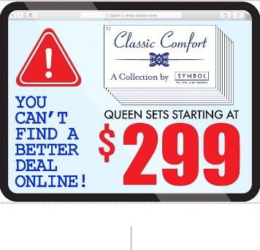
 |  | Catskill $299 set | 22"x13"x10" | $5.00 | $0.00
 |  | Saranac $399 set | 22"x13"x10" | $5.00 | $0.00
 |  | Harlow $499 set | 22"x13"x10" | $5.00 | $0.00
 |  | Laurel $399 Matt Only | 22"x13"x10" | $5.00 | $0.00


 |  | Get more Tent Cards:

 |  | 25 cards | 10"x7" | $20.00 | $0.00

CENTER PIECE COLLECTION (COMING SOON)

